Sheet1
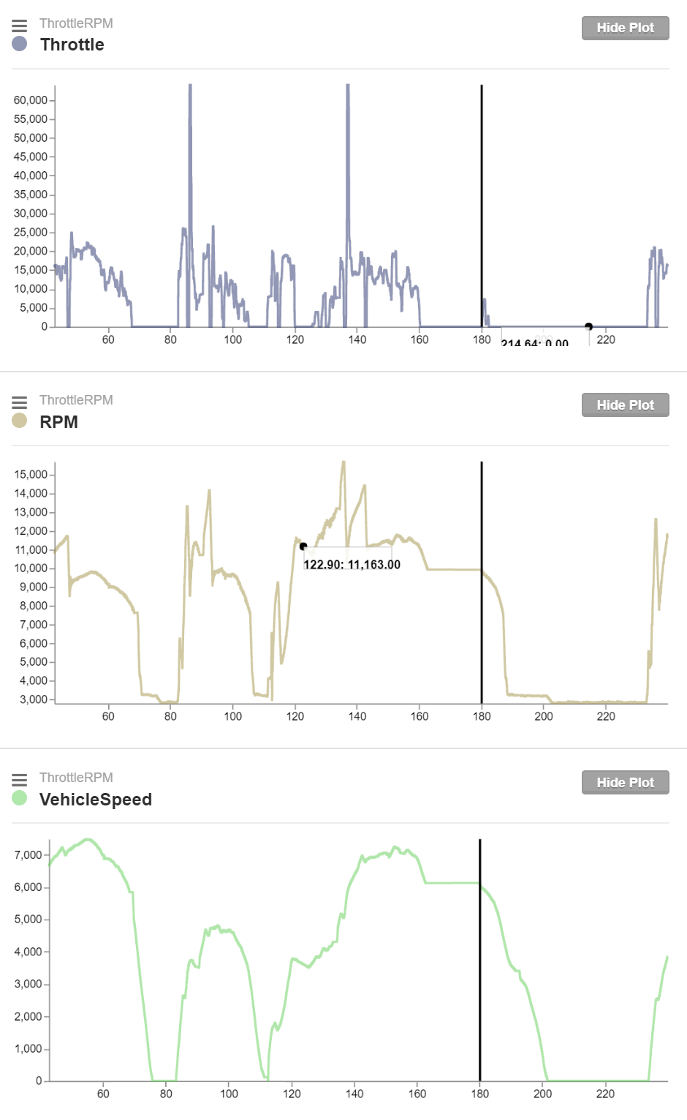
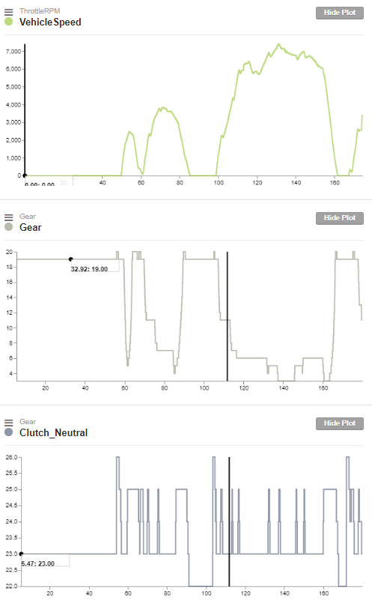
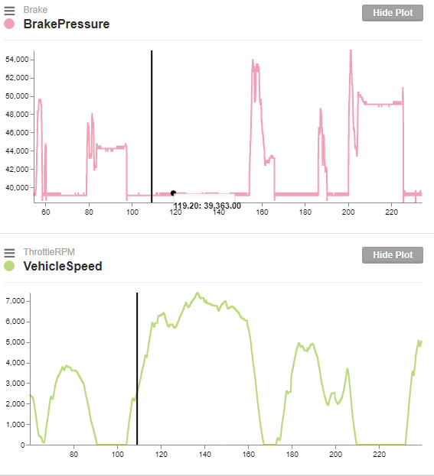
Notes: * All bytes are big-endian.

 |  |  | A | B | C | D | E | F | G | H
 | Offset |  | 0 | 1 | 2 | 3 | 4 | 5 | 6 | 7
BUS | CAN ID (HEX) | CAN ID (DEC) | Byte 1 | Byte 2 | Byte 3 | Byte 4 | Byte 5 | Byte 6 | Byte 7 | Byte 8
HS CAN | 202 | 514 | RPM Offset: Scaling: (707/2850) RPM |  | VehicleSpeed Offset: 0 Scaling: (1/160) MPH |  | Throttle Offset: 0 Scaling: (100/64000) --> 0%-100% Comment: Needs filtering

HS CAN | 165 | 357 |  |  | Clutch_Neutral Neutral: 22 (dec) Clutch-in: 25 (dec) Clutch-out: 23 (dec) |  |  |  | CurrentGear Neutral/1st: 19 (dec) 2nd: 11(dec) 3rd: 7 (dec) 4th: 6 (dec) 5th: 5 (dec)

HS CAN | 240 | 576 | Steering Torque candidate Treat as signed integer Scaling: (-100/12750)+255

HS CAN | 78 | 120 |  |  |  |  | BrakePressure Treat as signed integer Scaling: (100/65536)+40 ABS: negative values

HS CAN | 215 | 533 | Wheel1_Speed Offset: 32512 Scaling: Ref Vehicle Speed |  | Wheel2_Speed Offset: 32512 Scaling: Ref Vehicle Speed |  | Wheel3_Speed Offset: 32512 Scaling: Ref Vehicle Speed |  | Wheel4_Speed Offset: 32512 Scaling: Ref Vehicle Speed

HS CAN | 86 | 134 | Steering Scaling: (-200/9659)+328.6

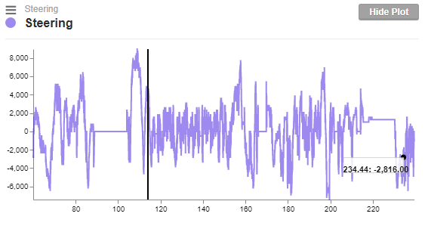
HS CAN | 420 | 1056 | Engine Coolant temp +30? |  |  |  |  |  |  | Ambient air temp +30?

HS CAN | 415 | 1045 |  |  |  | offset 4 ? (mask 00010000)

CAN mapping for Auto Sport Labs RaceCapture
 |  |  | Download link for RaceCaptureSettings
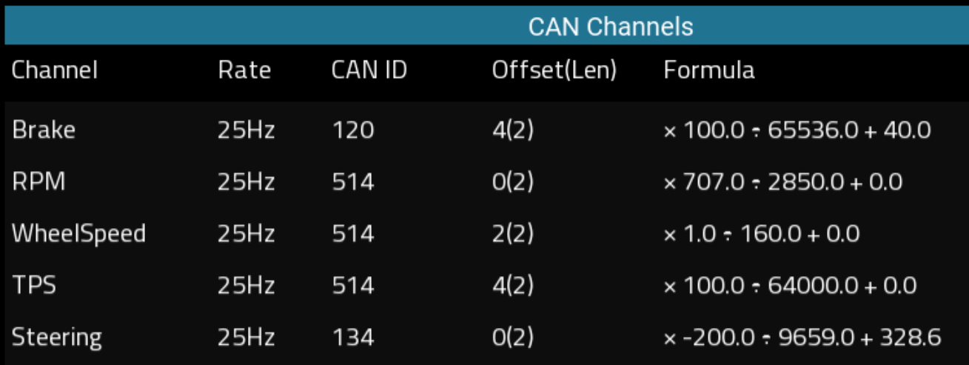
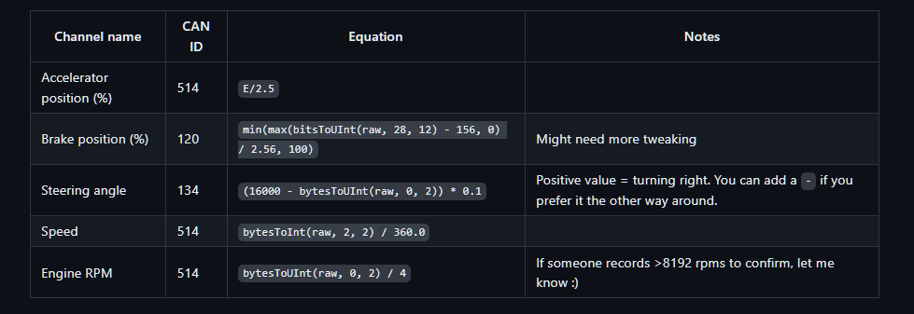

202 | 514 | 0A | 10
202 | 514 | f3 | 243
202 | 514 | 0AF3 | 2803 | 700.75 | 695.34070175
202 | 514 | 0b03 | 2819 | 704.75 | 699.30982456
202 | 514 | 0beb | 3051 | 762.75 | 756.86210526

420 | 1056 | 5a | 90 | 60 |  | byte 0
420 | 1056 | 5b | 91 | 61 |  | byte 0
420 | 1056 | 7a | 122 | 92

